Simulation
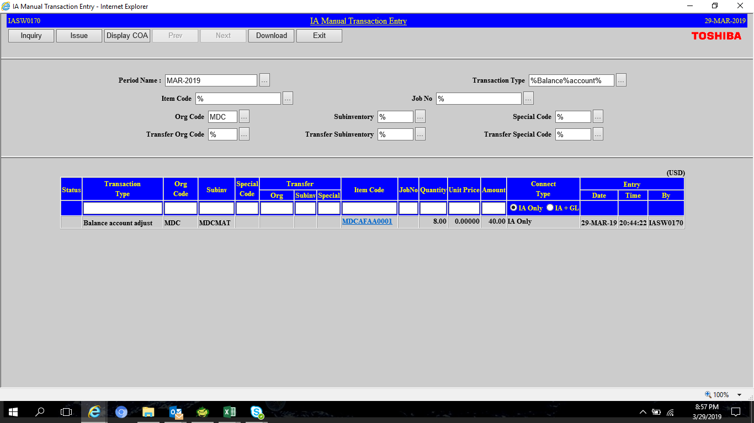

Change cost center
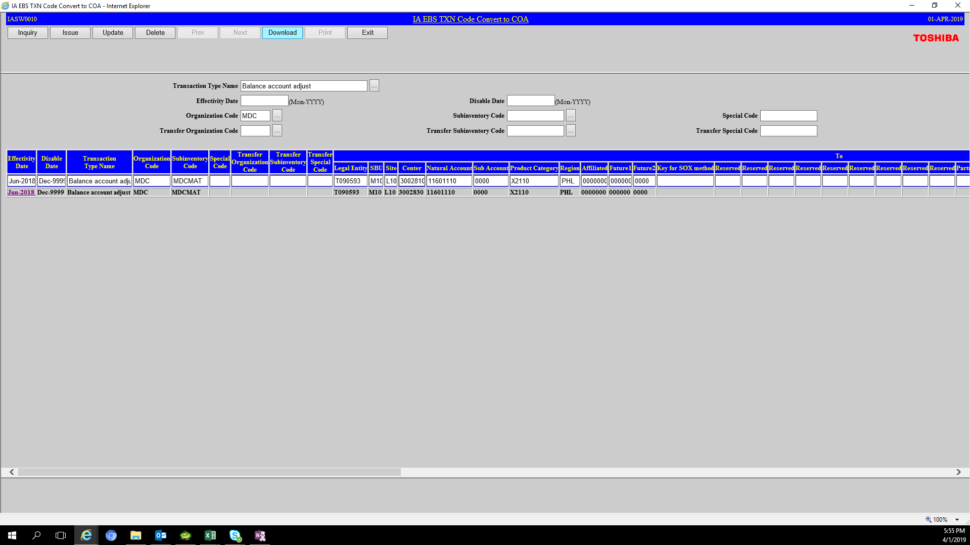

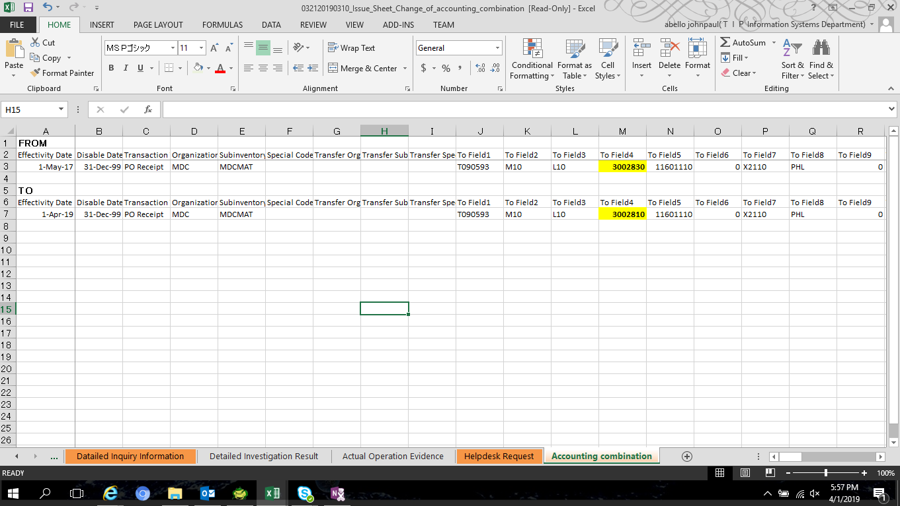

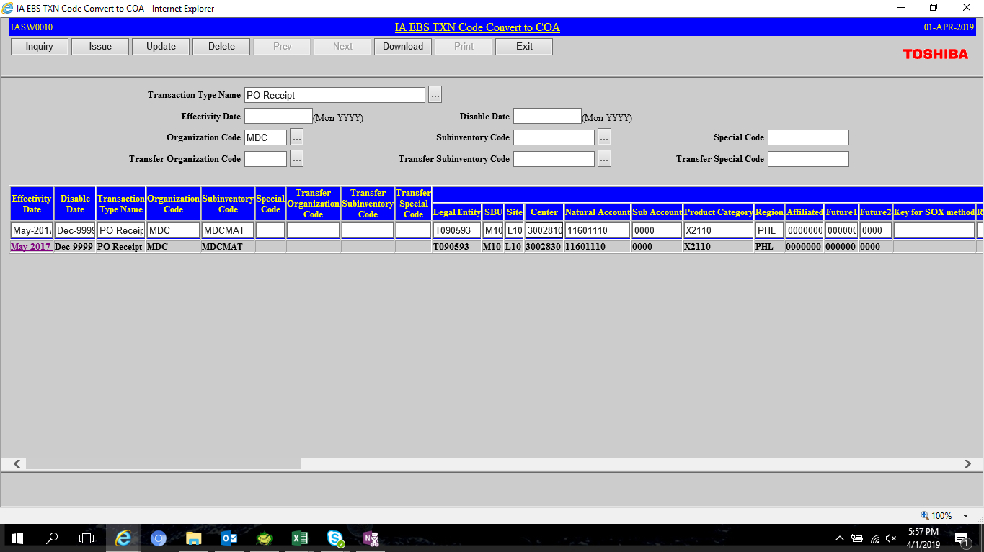

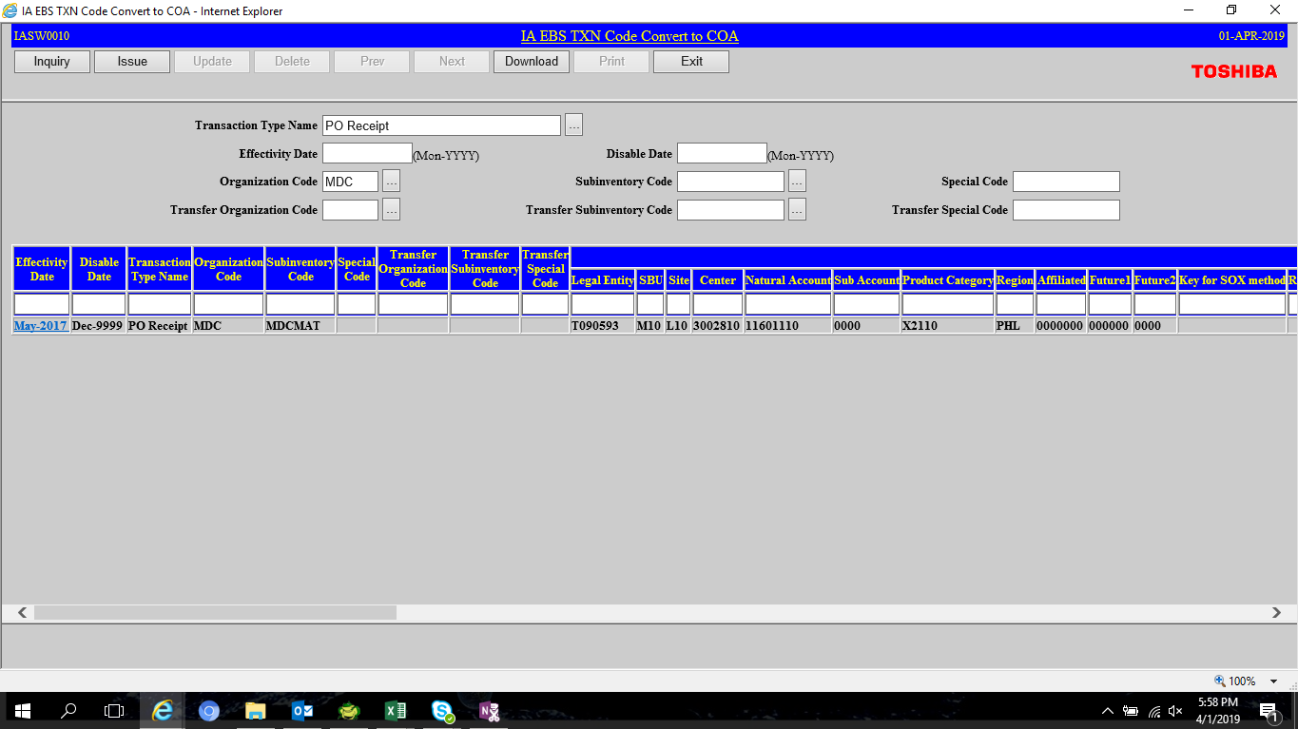

FROM
Effectivity Date | Disable Date | Transaction Type Name | Organization Code | Subinventory Code | Special Code | Transfer Organization Code | Transfer Subinventory Code | Transfer Special Code | To Field1 | To Field2 | To Field3 | To Field4 | To Field5 | To Field6 | To Field7 | To Field8 | To Field9 | To Field10 | To Field11 | To ATTRIBUTE1 | To ATTRIBUTE2 | To ATTRIBUTE3 | To ATTRIBUTE4 | To ATTRIBUTE5 | To ATTRIBUTE6 | To ATTRIBUTE7 | To ATTRIBUTE8 | To ATTRIBUTE9 | To ATTRIBUTE10 | To ATTRIBUTE11 | To ATTRIBUTE12 | To ATTRIBUTE13 | To ATTRIBUTE14 | To ATTRIBUTE15 | To ATTRIBUTE16 | To ATTRIBUTE17 | To ATTRIBUTE18 | To ATTRIBUTE19 | To ATTRIBUTE20 | From Field1 | From Field2 | From Field3 | From Field4 | From Field5 | From Field6 | From Field7 | From Field8 | From Field9 | From Field10 | From Field11 | From ATTRIBUTE1 | From ATTRIBUTE2 | From ATTRIBUTE3 | From ATTRIBUTE4 | From ATTRIBUTE5 | From ATTRIBUTE6 | From ATTRIBUTE7 | From ATTRIBUTE8 | From ATTRIBUTE9 | From ATTRIBUTE10 | From ATTRIBUTE11 | From ATTRIBUTE12 | From ATTRIBUTE13 | From ATTRIBUTE14 | From ATTRIBUTE15 | From ATTRIBUTE16 | From ATTRIBUTE17 | From ATTRIBUTE18 | From ATTRIBUTE19 | From ATTRIBUTE20
1-May-17 | 2958465 | Subinventory Transfer | MDC | MDCLINE-A |  | MDC | MDCMAT |  | T090593 | M10 | L10 | 3002810 | 11501110 | 0 | X2110 | PHL | 0 | 0 | 0 |  |  |  |  |  |  |  |  |  |  |  |  | UKP |  |  |  |  |  |  |  | T090593 | M10 | L10 | 3002830 | 11601110 | 0 | X2110 | PHL | 0 | 0 | 0 |  |  |  |  |  |  |  |  |  |  |  |  | UKP
1-May-17 | 2958465 | Subinventory Transfer | MDC | MDCLINE-M |  | MDC | MDCMAT |  | T090593 | M10 | L10 | 3002830 | 11501110 | 0 | X2110 | PHL | 0 | 0 | 0 |  |  |  |  |  |  |  |  |  |  |  |  | UKP |  |  |  |  |  |  |  | T090593 | M10 | L10 | 3002830 | 11601110 | 0 | X2110 | PHL | 0 | 0 | 0 |  |  |  |  |  |  |  |  |  |  |  |  | UKP
1-May-17 | 2958465 | Subinventory Transfer | MDC | MDCMAS |  | MDC | MDCMAT |  | T090593 | M10 | L10 | 3002830 | 11601110 | 0 | X2110 | PHL | 0 | 0 | 0 |  |  |  |  |  |  |  |  |  |  |  |  | UKP |  |  |  |  |  |  |  | T090593 | M10 | L10 | 3002830 | 11601110 | 0 | X2110 | PHL | 0 | 0 | 0 |  |  |  |  |  |  |  |  |  |  |  |  | UKP
1-May-17 | 2958465 | Subinventory Transfer | MDC | MDCMAT |  | MDC | MDCLINE-A |  | T090593 | M10 | L10 | 3002830 | 11601110 | 0 | X2110 | PHL | 0 | 0 | 0 |  |  |  |  |  |  |  |  |  |  |  |  | UKP |  |  |  |  |  |  |  | T090593 | M10 | L10 | 3002810 | 11501110 | 0 | X2110 | PHL | 0 | 0 | 0 |  |  |  |  |  |  |  |  |  |  |  |  | UKP
1-May-17 | 2958465 | Subinventory Transfer | MDC | MDCMAT |  | MDC | MDCLINE-M |  | T090593 | M10 | L10 | 3002830 | 11601110 | 0 | X2110 | PHL | 0 | 0 | 0 |  |  |  |  |  |  |  |  |  |  |  |  | UKP |  |  |  |  |  |  |  | T090593 | M10 | L10 | 3002830 | 11501110 | 0 | X2110 | PHL | 0 | 0 | 0 |  |  |  |  |  |  |  |  |  |  |  |  | UKP
1-May-17 | 2958465 | Subinventory Transfer | MDC | MDCMAT |  | MDC | MDCMAS |  | T090593 | M10 | L10 | 3002830 | 11601110 | 0 | X2110 | PHL | 0 | 0 | 0 |  |  |  |  |  |  |  |  |  |  |  |  | UKP |  |  |  |  |  |  |  | T090593 | M10 | L10 | 3002830 | 11601110 | 0 | X2110 | PHL | 0 | 0 | 0 |  |  |  |  |  |  |  |  |  |  |  |  | UKP

TO
1-Apr-19 | 2958465 | Subinventory Transfer | MDC | MDCLINE-A |  | MDC | MDCMAT |  | T090593 | M10 | L10 | 3002810 | 11501110 | 0 | X2110 | PHL | 0 | 0 | 0 |  |  |  |  |  |  |  |  |  |  |  |  | UKP |  |  |  |  |  |  |  | T090593 | M10 | L10 | 3002810 | 11601110 | 0 | X2110 | PHL | 0 | 0 | 0 |  |  |  |  |  |  |  |  |  |  |  |  | UKP
1-Apr-19 | 2958465 | Subinventory Transfer | MDC | MDCLINE-M |  | MDC | MDCMAT |  | T090593 | M10 | L10 | 3002830 | 11501110 | 0 | X2110 | PHL | 0 | 0 | 0 |  |  |  |  |  |  |  |  |  |  |  |  | UKP |  |  |  |  |  |  |  | T090593 | M10 | L10 | 3002810 | 11601110 | 0 | X2110 | PHL | 0 | 0 | 0 |  |  |  |  |  |  |  |  |  |  |  |  | UKP
1-Apr-19 | 2958465 | Subinventory Transfer | MDC | MDCMAS |  | MDC | MDCMAT |  | T090593 | M10 | L10 | 3002830 | 11601110 | 0 | X2110 | PHL | 0 | 0 | 0 |  |  |  |  |  |  |  |  |  |  |  |  | UKP |  |  |  |  |  |  |  | T090593 | M10 | L10 | 3002810 | 11601110 | 0 | X2110 | PHL | 0 | 0 | 0 |  |  |  |  |  |  |  |  |  |  |  |  | UKP
1-Apr-19 | 2958465 | Subinventory Transfer | MDC | MDCMAT |  | MDC | MDCLINE-A |  | T090593 | M10 | L10 | 3002810 | 11601110 | 0 | X2110 | PHL | 0 | 0 | 0 |  |  |  |  |  |  |  |  |  |  |  |  | UKP |  |  |  |  |  |  |  | T090593 | M10 | L10 | 3002810 | 11501110 | 0 | X2110 | PHL | 0 | 0 | 0 |  |  |  |  |  |  |  |  |  |  |  |  | UKP
1-Apr-19 | 2958465 | Subinventory Transfer | MDC | MDCMAT |  | MDC | MDCLINE-M |  | T090593 | M10 | L10 | 3002810 | 11601110 | 0 | X2110 | PHL | 0 | 0 | 0 |  |  |  |  |  |  |  |  |  |  |  |  | UKP |  |  |  |  |  |  |  | T090593 | M10 | L10 | 3002830 | 11501110 | 0 | X2110 | PHL | 0 | 0 | 0 |  |  |  |  |  |  |  |  |  |  |  |  | UKP
1-Apr-19 | 2958465 | Subinventory Transfer | MDC | MDCMAT |  | MDC | MDCMAS |  | T090593 | M10 | L10 | 3002810 | 11601110 | 0 | X2110 | PHL | 0 | 0 | 0 |  |  |  |  |  |  |  |  |  |  |  |  | UKP |  |  |  |  |  |  |  | T090593 | M10 | L10 | 3002830 | 11601110 | 0 | X2110 | PHL | 0 | 0 | 0 |  |  |  |  |  |  |  |  |  |  |  |  | UKP

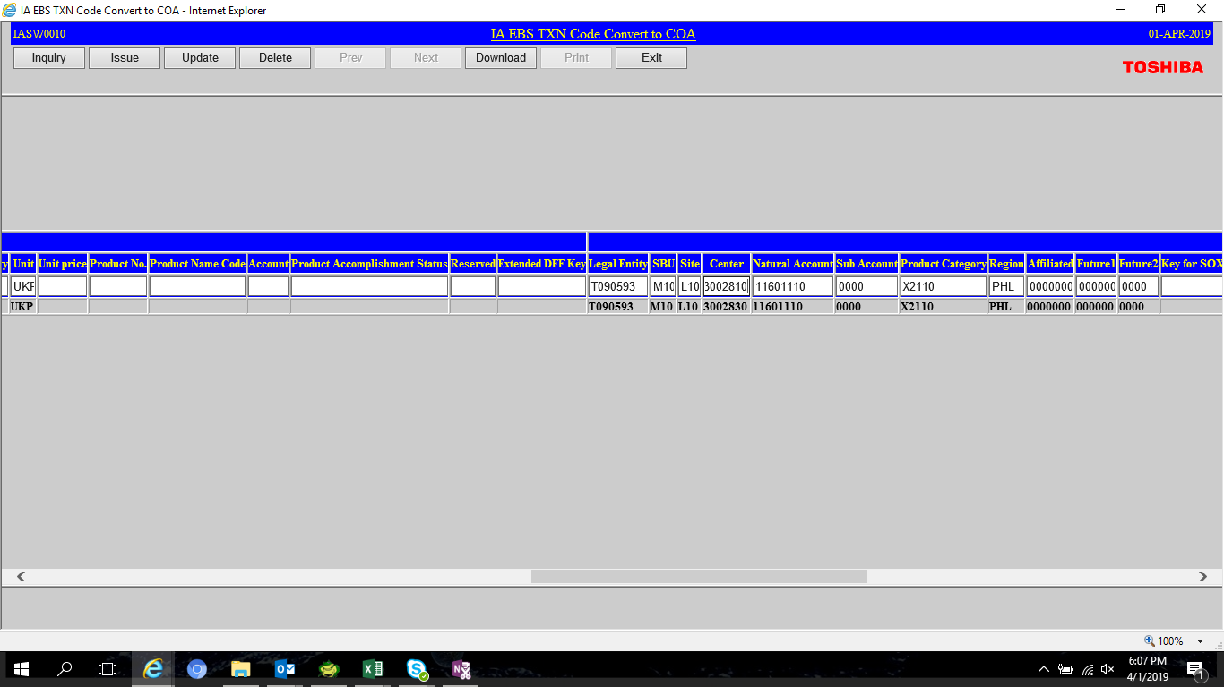

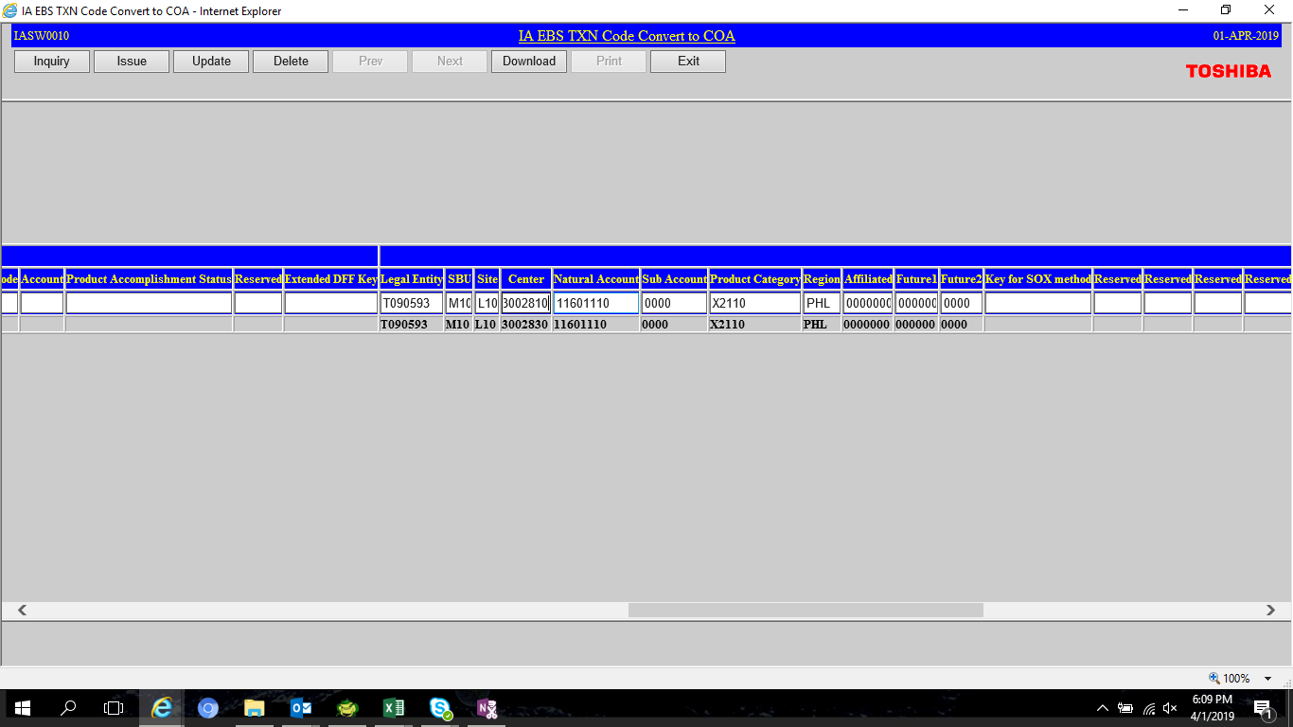

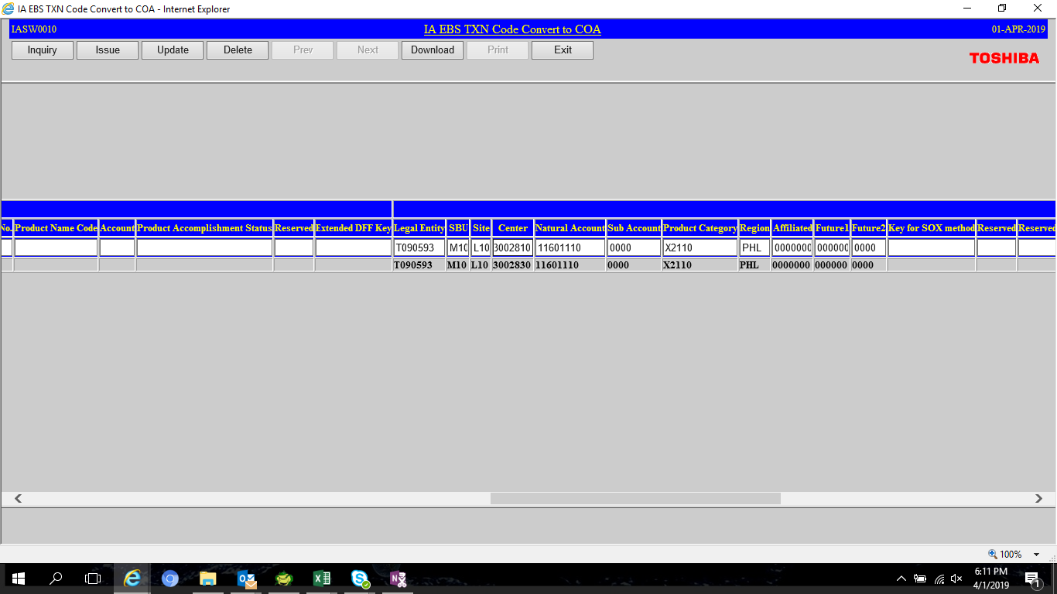

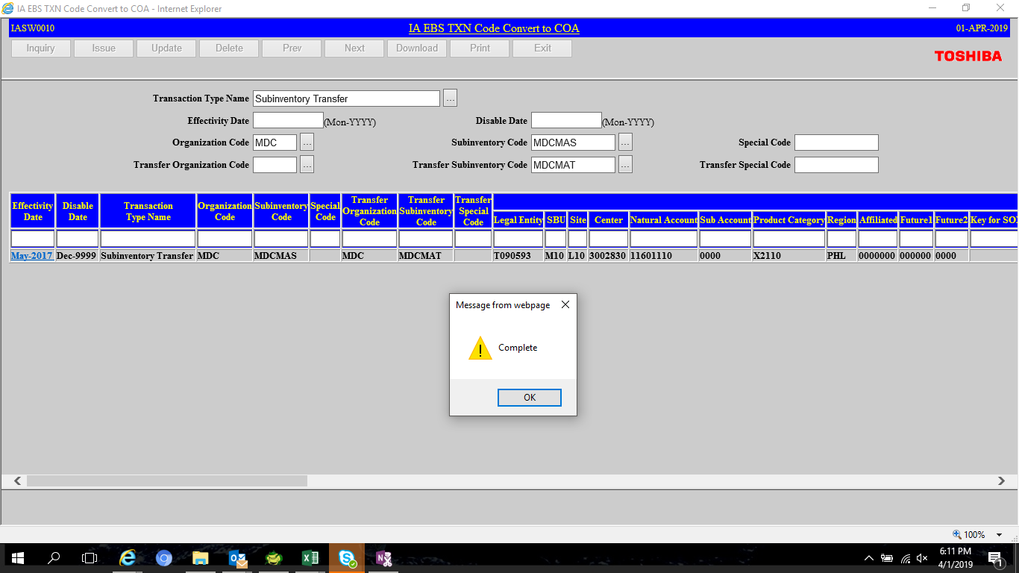

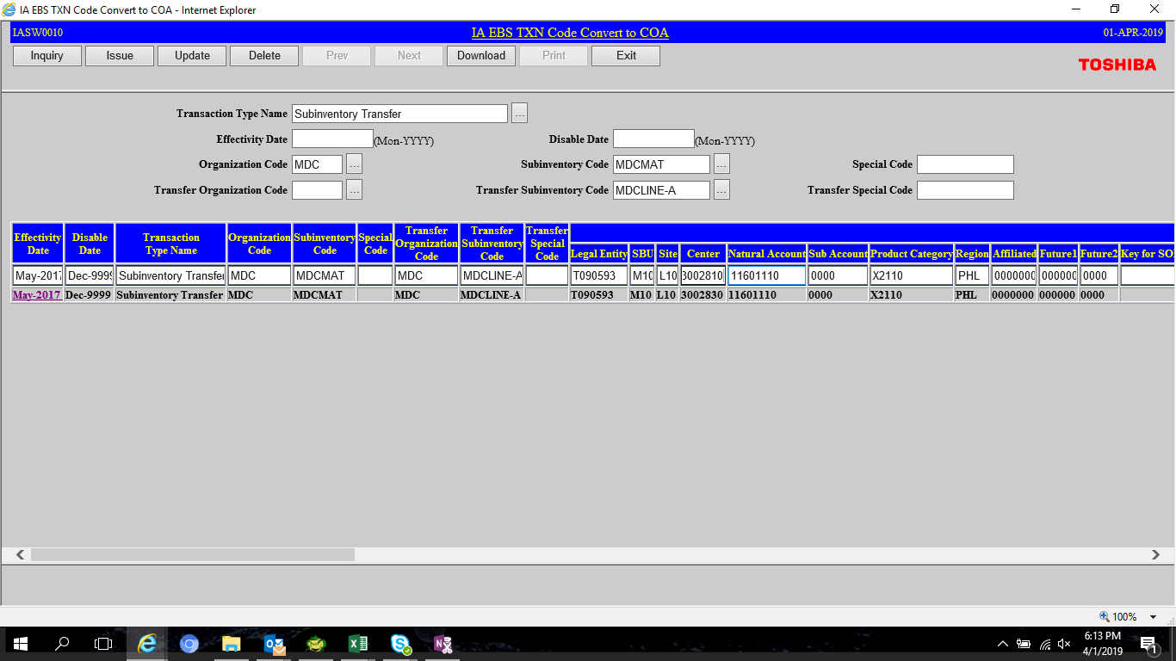

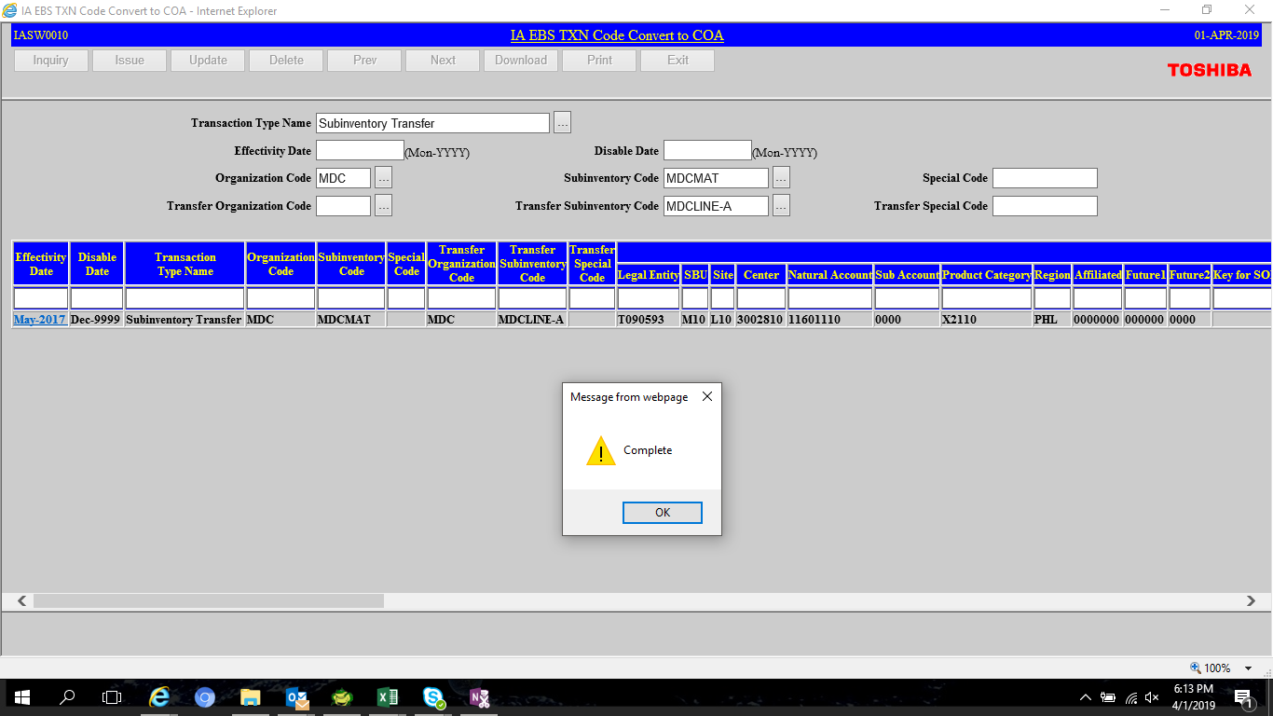

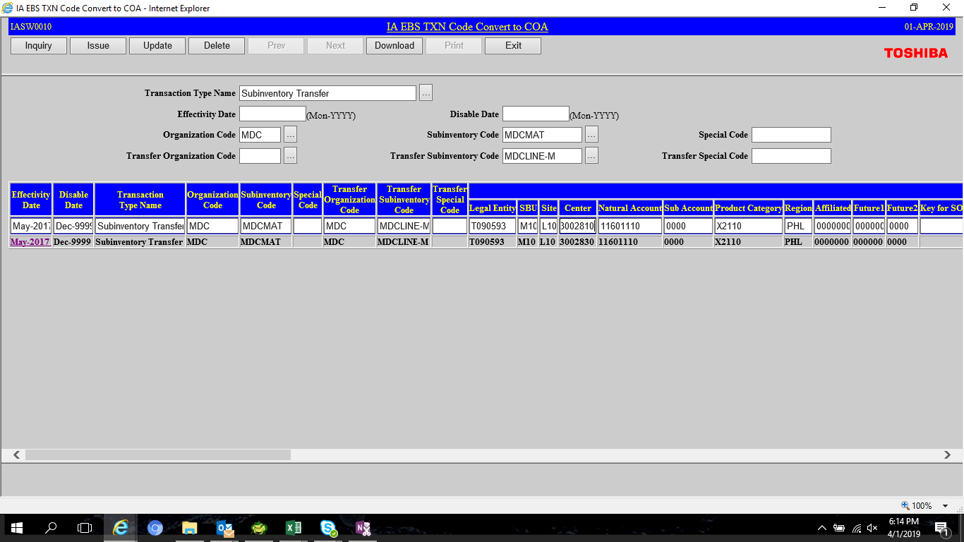

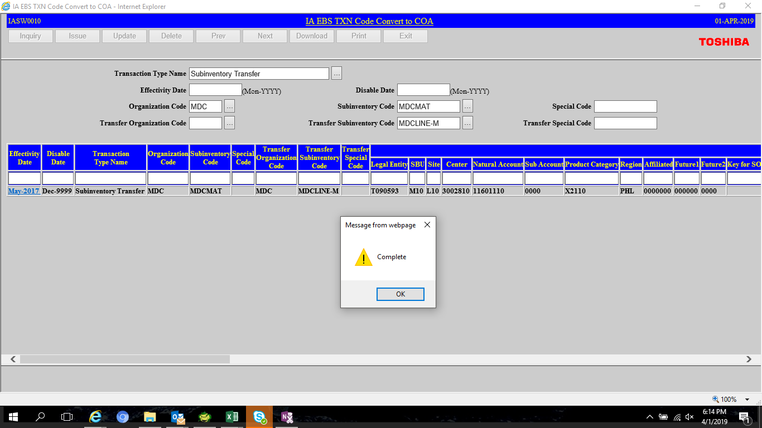

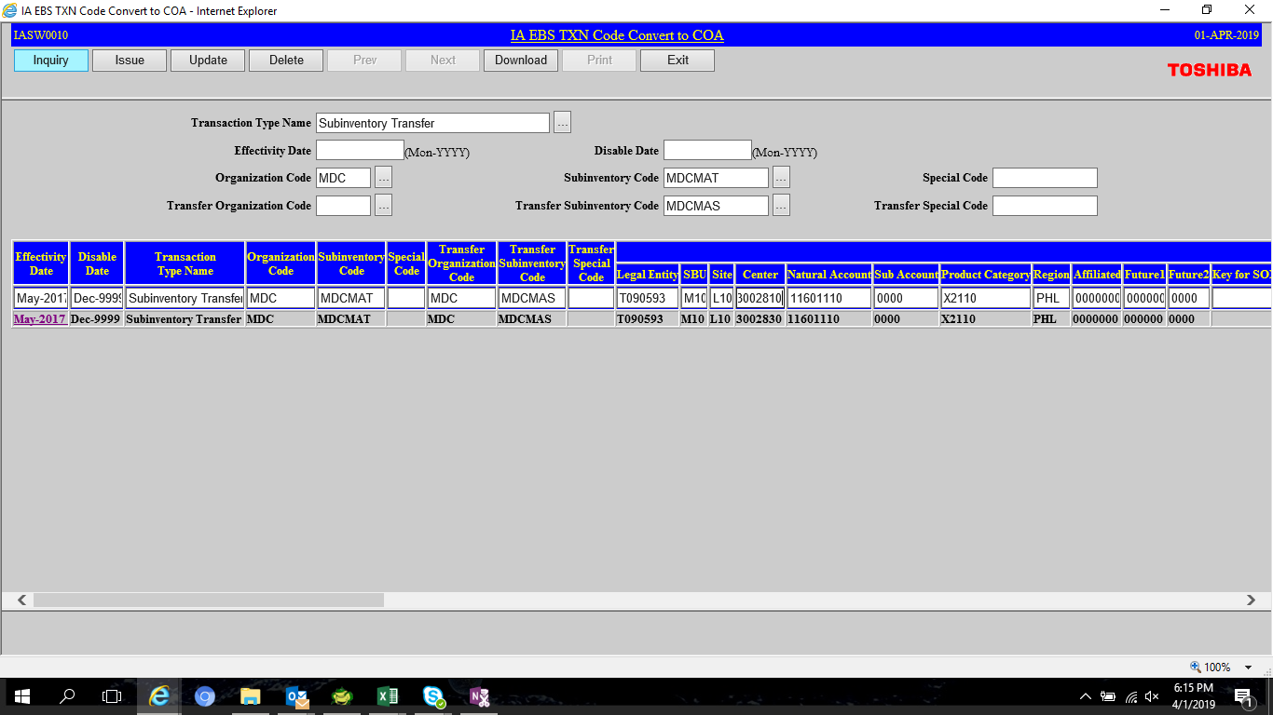

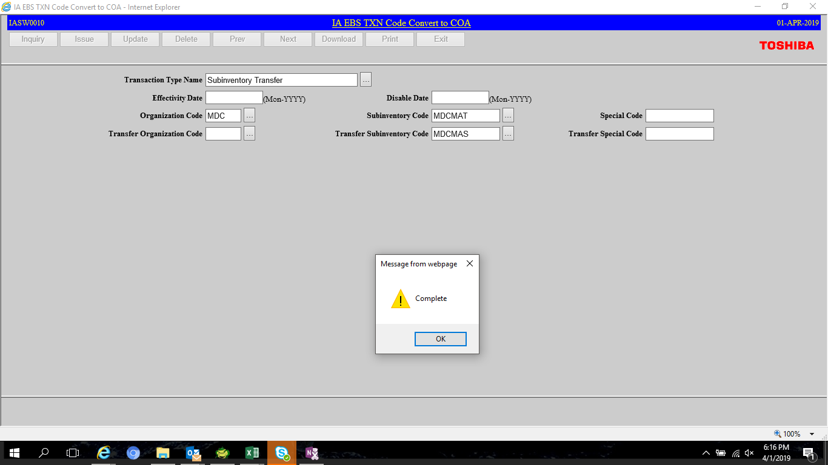

SELECT transaction_type_name,
organization_code org,
subinventory_code sub_code,
transfer_organization_code transfer_org,
transfer_subinventory_code transfer_sub,
dr_account_flex_field1 || '.' || dr_account_flex_field2 || '.' || dr_account_flex_field3 || '.' || dr_account_flex_field4 || '.' || dr_account_flex_field5 || '.' || dr_account_flex_field6 || '.' || dr_account_flex_field7
|| '.' || dr_account_flex_field8 || '.' || dr_account_flex_field9 || '.' || dr_account_flex_field10 || '.' || dr_account_flex_field11 TO_FIELD ,
cr_account_flex_field1 || '.' || cr_account_flex_field2 || '.' || cr_account_flex_field3 || '.' || cr_account_flex_field4 || '.' || cr_account_flex_field5 || '.' || cr_account_flex_field6 || '.' || cr_account_flex_field7
|| '.' || cr_account_flex_field8 || '.' || cr_account_flex_field9 || '.' || cr_account_flex_field10 || '.' || cr_account_flex_field11 FROM_FIELD ,
last_update_date
FROM xxia.ias_org_acc_codes
WHERE 1=1
--AND transaction_type_name = 'Subinventory Transfer'
AND transaction_type_name NOT LIKE '%Balance%'
AND organization_code = 'MDC'
AND to_char(last_update_date, 'MON-YYYY') = 'APR-2019'
ORDER BY 1

